GD825A-2 (6211-B0-0160) (1)
PT SAPTAINDRA SEJATI
NAROGONG REBUILD CENTER

 | DELIVERY | MACHINE MODEL | GD 825A-2 | ENGINE PART NO. |  | DOCUMENT NO. | RC/QR06/EG/24/10
 | INSPECTION SHEET | ENGINE MODEL | SA6D140E-2 | JOB ORDER NO. |  | PUBL. DATE | 7-Sep-10
ENGINE |  | ENGINE NO. |  | DELIVERY DATE |  | REVISION NO. | 01
 |  | CUSTOMER NAME |  |  |  | PAGE | 1 OF 2

: GOOD CONDITION
X : BAD CONDITION ⊗ : NONE
BELOW ARE THE ITEMS RELATED TO DELIVERY INSPECTION AND WHILE YOU DOING THIS INSPECTION JOB, PLEASE REFERRING
TO THE REMANUFACTURED COMPONENTS - STANDARD CONFIGURATION.

Left Side View
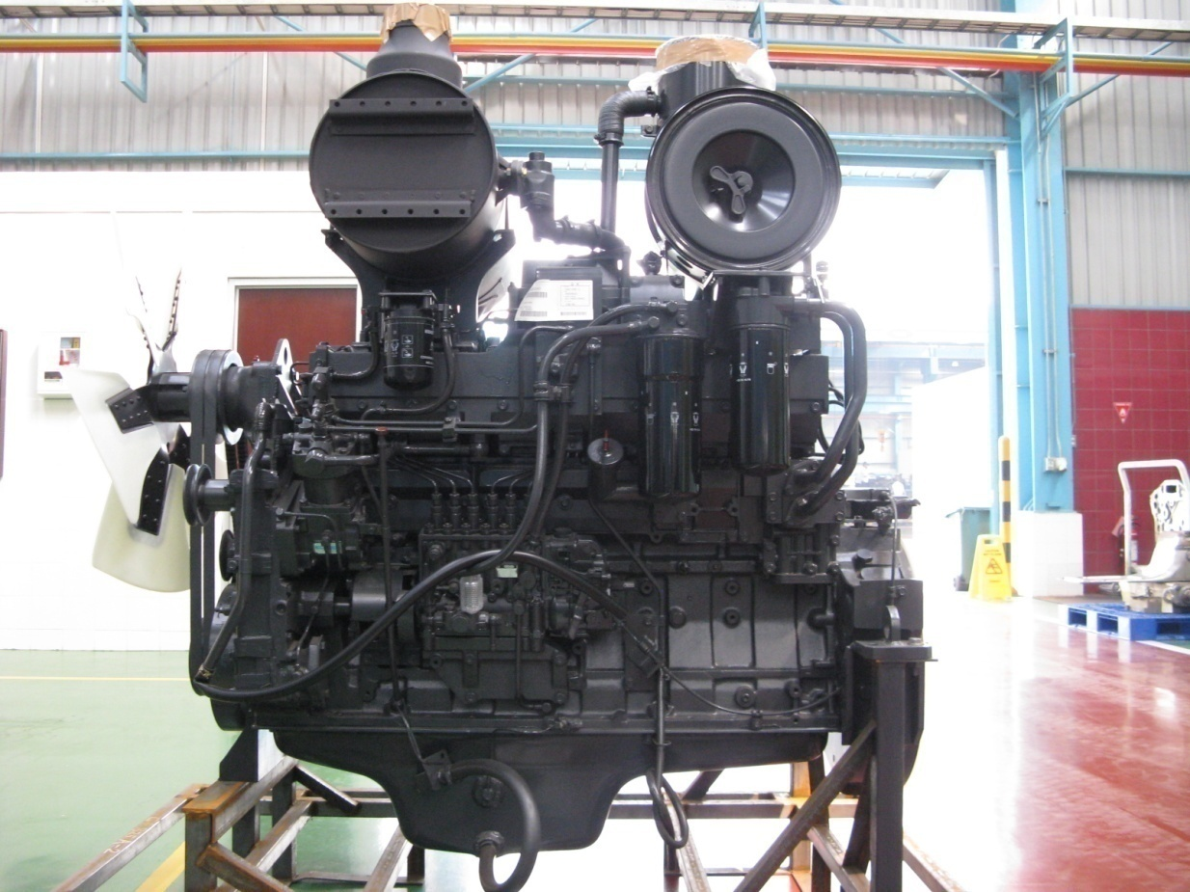
SKETCH DRAWING OR PHOTOES |  |  |  | NO. | ITEM |  | INSPECTION CONDITION
 |  |  |  | 1 | Painting ( Y / B )
 |  |  |  | 2 | Bracket Muffler
20
 |  |  |  | 3 | Air Intake Manifold
19
 |  |  |  | 4 | Gauge Oil (Oil Pan STD : H+ 0~10 mm)
2
18
 |  |  |  |  | Act : H +………………..mm
 |  |  |  | 5 | Tube Breather With Hose
3
17
 |  |  |  | 6 | Air Compressor Assy ( P/N : 6210-81-3113)
4
16
 |  |  |  |  | S/N :
5
 |  |  |  | 7 | Fuel Injection Pump Drive With Cover
15
 |  |  |  | 8 | Feed Pump Assy
6
 |  |  |  | 9 | Fuel Injection Pump Assy (P/N : 6211-72-1470)
7
14
 |  |  |  |  | S/N :
 |  |  |  | 10 | Drain Plug With Valve
 |  |  |  | 11 | Oil Level Sensor
 |  |  |  | 12 | Oil Filler Cap
8
 |  |  |  | 13 | Oil Pressure Sensor
9
12
13
 |  |  |  | 14 | Tube Return Oil
 |  |  |  | 15 | Tube Inlet Oil
10
11
 |  |  |  | 16 | Oil Filter Assy
 |  |  |  | 17 | Fuel Filter Assy
Front Side View
 |  |  |  | 18 | Unloader Valve
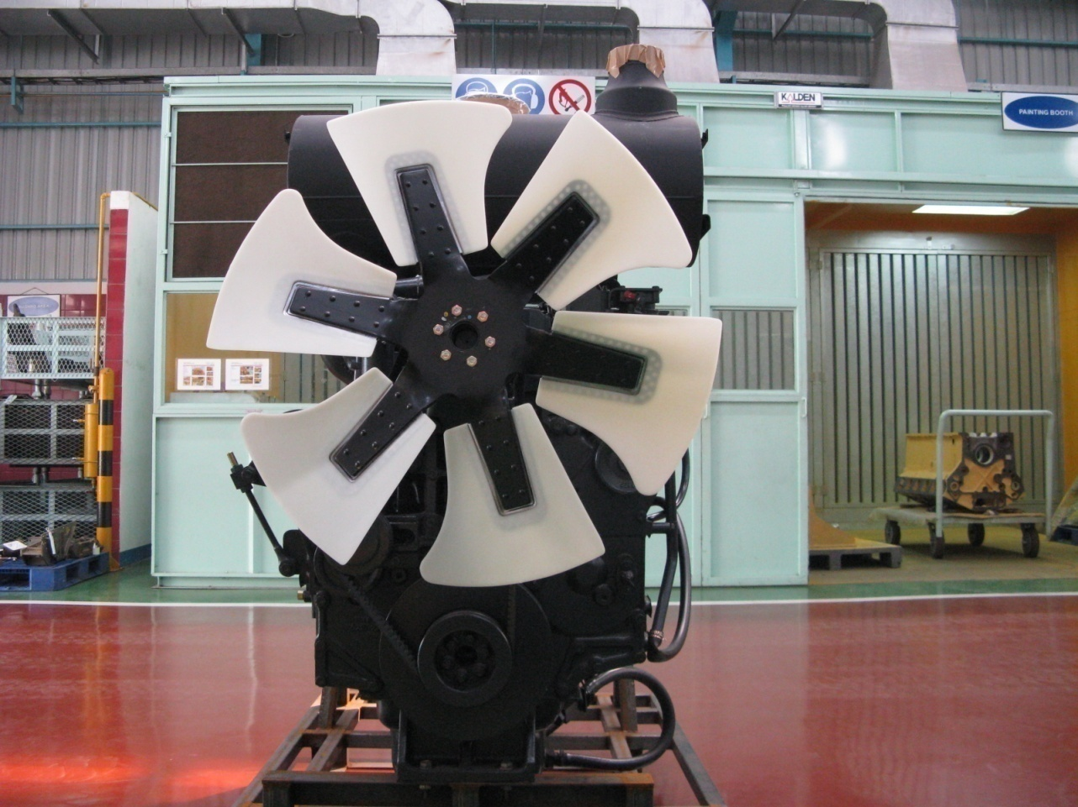
 |  |  |  | 19 | Relay Heater Assy
 |  |  |  | 20 | Valve Assy
 |  |  |  | 21 | Fan Drive With Pulley
 |  |  |  | 22 | V-Belt Fan
21
 |  |  |  | 23 | Tension Pulley Assy
 |  |  |  | 24 | Vibration Damper Assy (P/N : 6211-32-8300)
29
 |  |  |  | 25 | Crank Pulley
22
 |  |  |  | 26 | Front Support
 |  |  |  | 27 | Pointer
23
 |  |  |  | 28 | Accecories Drive Pulley
 |  |  |  | 29 | Cooling Fan
28
 |  |  |  | 30 | RFID Tag, Traceability mounting bolt
 |  |  |  | 31 | Heat Tab Position
24
 |  |  |  | 32 | Customer Responsibilities Sticker
 |  |  |  | 33 | Warning Sticker Oil Level
27
 |  |  |  | 34 | Caution Flywheel sticker
25
 |  |  |  | 35 | Caution Tag
 |  |  |  | 36 | Quality passed Inspection Tag
26
 |  |  |  | 37 | Masking Condition

Notes :

GD825A-2 (6211-B0-0160) (2)
PT SAPTAINDRA SEJATI
NAROGONG REBUILD CENTER

 |  | DELIVERY | MACHINE MODEL | GD 825A-2 | ENGINE PART NO. |  | DOCUMENT NO. | RC/QR06/EG/24/10
 |  | INSPECTION SHEET | ENGINE MODEL | SA6D140E-2 | JOB ORDER NO. |  | PUBL. DATE | 7-Sep-10
ENGINE |  |  | ENGINE NO. |  | DELIVERY DATE |  | REVISION NO. | 01
 |  |  | CUSTOMER NAME |  |  |  | PAGE | 2 OF 2

: GOOD CONDITION
X : BAD CONDITION ⊗ : NONE
BELOW ARE THE ITEMS RELATED TO DELIVERY INSPECTION AND WHILE YOU DOING THIS INSPECTION JOB, PLEASE REFERRING
TO THE REMANUFACTURED COMPONENTS - STANDARD CONFIGURATION.

Right Side View
SKETCH DRAWING OR PHOTOES |  |  |  |  | NO. | ITEM |  | INSPECTION CONDITION
 |  |  |  |  | 38 | Turbocharger Assy (P/N : 6505-52-5440)
 |  |  |  |  |  | S/N :
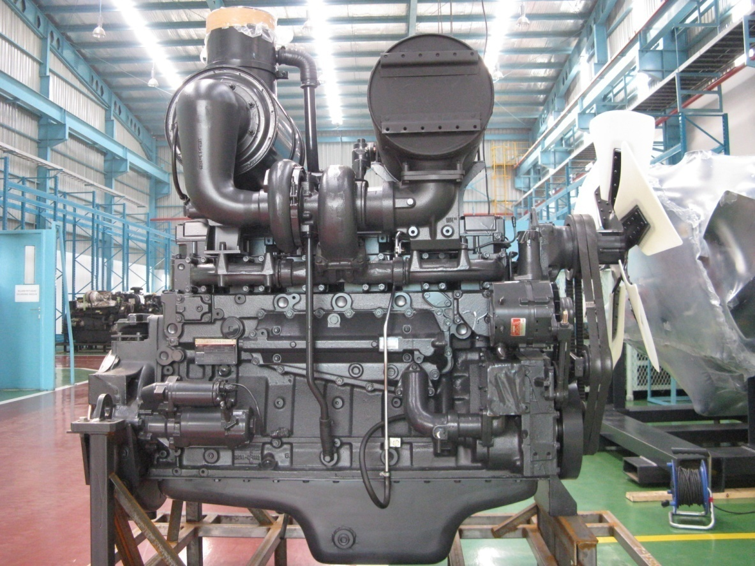
57
 |  |  |  |  | 39 | Connector Air Cleaner
 |  |  |  |  | 40 | Exhaust Manifold
38
56
 |  |  |  |  | 41 | Oil Cooler
39
55
 |  |  |  |  | 42 | Name Plate Engine
54
 |  |  |  |  |  | If KAC Part Number As Mention Their PO
40
 |  |  |  |  |  | If KAC Remanufacturers ID is : S1390568
53
 |  |  |  |  | 43 | Starting Motor Assy (11 KW) (P/N : 600-813-4222)
41
 |  |  |  |  |  | S/N :
42
 |  |  |  |  | 44 | Engine Stand (Original / Std)
 |  |  |  |  |  | Stand No. :
52
 |  |  |  |  | 45 | Tube Drain Turbocharger
43
51
 |  |  |  |  | 46 | Tube Drain Muffler
 |  |  |  |  | 47 | Oil Pan
44
50
 |  |  |  |  | 48 | Valve Water Drain Cock
45
48
49
 |  |  |  |  | 49 | Water Pump Assy
46
 |  |  |  |  | 50 | Water Inlet Cover Plate
Rear Side View
47
 |  |  |  |  | 51 | Alternator Drive Pulley
58
 |  |  |  |  | 52 | Alternator Assy (75 A) (P/N : 600-825-7212)
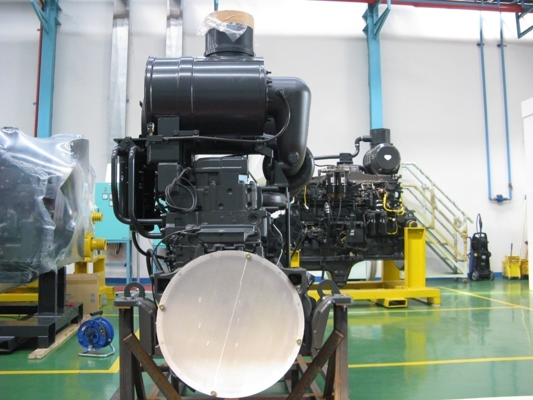
 |  |  |  |  |  | S/N :
59
 |  |  |  |  | 53 | Thermostat Housing
 |  |  |  |  | 54 | Tube Water Outlet
60
 |  |  |  |  | 55 | Tube Air Vent
61
 |  |  |  |  | 56 | Elbow Exhaust Connector
 |  |  |  |  | 57 | Muffler
62
 |  |  |  |  | 58 | Pre-Cleaner
 |  |  |  |  | 59 | Air Cleaner
 |  |  |  |  | 60 | Bracket Air Cleaner
63
 |  |  |  |  | 61 | Dust Indicator
65
 |  |  |  |  | 62 | Stop Engine Motor
 |  |  |  |  | 63 | Flywheel Housing
 |  |  |  |  | 64 | Rear Bracket (RH & LH)
 |  |  |  |  | 65 | Flywheel (P/N : 6210-31-1310)
 |  |  |  |  | 66 | Injection Timing :
 |  |  |  |  | 67 | Stiker Attention Installation Report
64
 |  |  |  |  | 68 | Sticker Information Cleaner
 |  |  |  |  | 69 | Check Mounting Bolt (Rear Bracket & Front Support)
 |  |  |  |  |  | Std Tightening Torque : 25 kgm

Notes :

 | Inspected by, |  |  |  |  |  | Approved by,

